Burnup Chart
 | Target Week Migration Completion | Accumulated Scpe | Projected Scope | Accumulated Throuhput | Projected Throughput | Optimistic | Pessimistic
9/6/2019 | 0 | 0 | 80 | 0 | 0.00 | 0.00 | 0.00
9/13/2019 | 0 | 0 | 80 | 0 | 0.00 | 0.00 | 0.00
9/20/2019 | 0 | 0 | 80 | 0 | 0.00 | 0.00 | 0.00
9/27/2019 | 0 | 0 | 80 | 0 | 0.00 | 0.00 | 0.00
10/4/2019 | 0 | 0 | 80 | 0 | 0.00 | 0.00 | 0.00
10/11/2019 | 0 | 0 | 80 | 0 | 0.00 | 0.00 | 0.00
10/18/2019 | 0 | 0 | 80 | 0 | 0.00 | 0.00 | 0.00
10/25/2019 | 0 | 0 | 80 | 0 | 0.00 | 0.00 | 0.00
11/1/2019 | 0 | 0 | 80 | 0 | 0.00 | 0.00 | 0.00
11/8/2019 | 0 | 0 | 80 | 0 | 0.00 | 0.00 | 0.00
11/15/2019 | 0 |  | 80 |  | 0.00 | 0.00 | 0.00
11/22/2019 | 0 |  | 80 |  | 0.00 | 0.00 | 0.00
11/29/2019 | 0 |  | 80 |  | 0.00 | 0.00 | 0.00
12/6/2019 | 0 |  | 80 |  | 0.00 | 0.00 | 0.00
12/13/2019 | 0 |  | 80 |  | 0.00 | 0.00 | 0.00
12/20/2019 | 0 |  | 80 |  | 0.00 | 0.00 | 0.00
12/27/2019 | 0 |  | 80 |  | 0.00 | 0.00 | 0.00
1/3/2020 | 0 |  | 80 |  | 0.00 | 0.00 | 0.00
1/10/2020 | 0 |  | 80 |  | 0.00 | 0.00 | 0.00
1/17/2020 | 0 |  | 80 |  | 0.00 | 0.00 | 0.00
1/24/2020 | 0 |  | 80 |  | 0.00 | 0.00 | 0.00
1/31/2020 | 0 |  | 80 |  | 0.00 | 0.00 | 0.00
2/7/2020 | 0 |  | 80 |  | 0.00 | 0.00 | 0.00
2/14/2020 | 0 |  | 80 |  | 0.00 | 0.00 | 0.00
2/21/2020 | 0 |  | 80 |  | 0.00 | 0.00 | 0.00
2/28/2020 | 0 |  | 80 |  | 0.00 | 0.00 | 0.00
3/6/2020 | 0 |  | 80 |  | 0.00 | 0.00 | 0.00
3/13/2020 | 0 |  | 80 |  | 0.00 | 0.00 | 0.00
3/20/2020 | 0 |  | 80 |  | 0.00 | 0.00 | 0.00
3/27/2020 | 0 |  | 80 |  | 0.00 | 0.00 | 0.00
4/3/2020 | 0 |  | 80 |  | 0.00 | 0.00 | 0.00
4/10/2020 | 0 |  | 80 |  | 0.00 | 0.00 | 0.00
4/17/2020 | 0 |  | 80 |  | 0.00 | 0.00 | 0.00
4/24/2020 | 0 |  | 80 |  | 0.00 | 0.00 | 0.00
5/1/2020 | 0 |  | 80 |  | 0.00 | 0.00 | 0.00
5/8/2020 | 0 |  | 80 |  | 0.00 | 0.00 | 0.00
5/15/2020 | 0 |  | 80 |  | 0.00 | 0.00 | 0.00
5/22/2020 | 0 |  | 80 |  | 0.00 | 0.00 | 0.00
5/29/2020 | 0 |  | 80 |  | 0.00 | 0.00 | 0.00
6/5/2020 | 0 |  | 80 |  | 0.00 | 0.00 | 0.00
6/12/2020 | 0 |  | 80 |  | 0.00 | 0.00 | 0.00
6/19/2020 | 0 |  | 80 |  | 0.00 | 0.00 | 0.00
6/26/2020 | 0 |  | 80 |  | 0.00 | 0.00 | 0.00
7/3/2020 | 0 |  | 80 |  | 0.00 | 0.00 | 0.00
7/10/2020 | 0 |  | 80 |  | 0.00 | 0.00 | 0.00
7/17/2020 | 0 |  | 80 |  | 0.00 | 0.00 | 0.00
7/24/2020 | 0 |  | 80 |  | 0.00 | 0.00 | 0.00
7/31/2020 | 0 |  | 80 |  | 0.00 | 0.00 | 0.00
8/7/2020 | 0 |  | 80 |  | 0.00 | 0.00 | 0.00
8/14/2020 | 0 |  | 80 |  | 0.00 | 0.00 | 0.00
...

Burnup Chart Sim
 | Target Week Migration Completion | Accumulated_Scope | Projected_Scope | Accumulated_Throughput | Pessimistic | Projected Throughput | Optimistic | Pessimistic
9/6/2019 | 0 | 0 | 80 | 0 | 0.00 | 0.00 | 0.00 | 0.00
9/13/2019 | 0 | 0 | 80 | 0 | 0.00 | 0.00 | 0.00 | 0.00
9/20/2019 | 0 | 0 | 80 | 0 | 0.00 | 0.00 | 0.00 | 0.00
9/27/2019 | 0 | 0 | 80 | 0 | 0.00 | 0.00 | 0.00 | 0.00
10/4/2019 | 0 | 0 | 80 | 0 | 0.00 | 0.00 | 0.00 | 0.00
10/11/2019 | 0 | 0 | 80 | 0 | 0.00 | 0.00 | 0.00 | 0.00
10/18/2019 | 0 | 0 | 80 | 0 | 0.00 | 0.00 | 0.00 | 0.00
10/25/2019 | 0 | 0 | 80 | 0 | 0.00 | 0.00 | 0.00 | 0.00
11/1/2019 | 0 | 0 | 80 | 0 | 0.00 | 0.00 | 0.00 | 0.00
11/8/2019 | 0 | 0 | 80 | 0 | 0.00 | 0.00 | 0.00 | 0.00
11/15/2019 | 0 | 0 | 80 | 0 | 0.00 | 0.00 | 0.00 | 0.00
11/22/2019 | 0 | 0 | 80 | 0 | 0.00 | 0.00 | 0.00 | 0.00
11/29/2019 | 0 | 0 | 80 | 0 | 0.00 | 0.00 | 0.00 | 0.00
12/6/2019 | 0 | 0 | 80 | 0 | 0.00 | 0.00 | 0.00 | 0.00
12/13/2019 | 0 | 0 | 80 | 0 | 0.00 | 0.00 | 0.00 | 0.00
12/20/2019 | 0 | 0 | 80 | 0 | 0.00 | 0.00 | 0.00 | 0.00
12/27/2019 | 0 | 0 | 80 | 0 | 0.00 | 0.00 | 0.00 | 0.00
1/3/2020 | 0 | 0 | 80 | 0 | 0.00 | 0.00 | 0.00 | 0.00
1/10/2020 | 0 | 0 | 80 | 0 | 0.00 | 0.00 | 0.00 | 0.00
1/17/2020 | 0 | 0 | 80 | 0 | 0.00 | 0.00 | 0.00 | 0.00
1/24/2020 | 0 | 0 | 80 | 0 | 0.00 | 0.00 | 0.00 | 0.00
1/31/2020 | 0 | 0 | 80 | 0 | 0.00 | 0.00 | 0.00 | 0.00
2/7/2020 | 0 | 0 | 80 | 0 | 0.00 | 0.00 | 0.00 | 0.00
2/14/2020 | 0 | 0 | 80 | 0 | 0.00 | 0.00 | 0.00 | 0.00
2/21/2020 | 0 | 0 | 80 | 0 | 0.00 | 0.00 | 0.00 | 0.00
2/28/2020 | 0 | 0 | 80 | 0 | 0.00 | 0.00 | 0.00 | 0.00
3/6/2020 | 0 | 0 | 80 | 0 | 0.00 | 0.00 | 0.00 | 0.00
3/13/2020 | 0 | 0 | 80 | 0 | 0.00 | 0.00 | 0.00 | 0.00
3/20/2020 | 0 | 0 | 80 | 0 | 0.00 | 0.00 | 0.00 | 0.00
3/27/2020 | 0 | 0 | 80 | 0 | 0.00 | 0.00 | 0.00 | 0.00
4/3/2020 | 0 | 0 | 80 | 0 | 0.00 | 0.00 | 0.00 | 0.00
4/10/2020 | 0 | 0 | 80 | 0 | 0.00 | 0.00 | 0.00 | 0.00
4/17/2020 | 0 | 0 | 80 | 0 | 0.00 | 0.00 | 0.00 | 0.00
4/24/2020 | 0 | 0 | 80 | 0 | 0.00 | 0.00 | 0.00 | 0.00
5/1/2020 | 0 | 0 | 80 | 0 | 0.00 | 0.00 | 0.00 | 0.00
5/8/2020 | 0 | 0 | 80 | 0 | 0.00 | 0.00 | 0.00 | 0.00
5/15/2020 | 0 | 0 | 80 | 0 | 0.00 | 0.00 | 0.00 | 0.00
5/22/2020 | 0 | 0 | 80 | 0 | 0.00 | 0.00 | 0.00 | 0.00
5/29/2020 | 0 | 0 | 80 | 0 | 0.00 | 0.00 | 0.00 | 0.00
6/5/2020 | 0 | 0 | 80 | 0 | 0.00 | 0.00 | 0.00 | 0.00
6/12/2020 | 0 | 0 | 80 | 0 | 0.00 | 0.00 | 0.00 | 0.00
6/19/2020 | 0 | 0 | 80 | 0 | 0.00 | 0.00 | 0.00 | 0.00
6/26/2020 | 0 | 0 | 80 | 0 | 0.00 | 0.00 | 0.00 | 0.00
7/3/2020 | 0 | 0 | 80 | 0 | 0.00 | 0.00 | 0.00 | 0.00
7/10/2020 | 0 | 0 | 80 | 0 | 0.00 | 0.00 | 0.00 | 0.00
7/17/2020 | 0 | 0 | 80 | 0 | 0.00 | 0.00 | 0.00 | 0.00
7/24/2020 | 0 | 0 | 80 | 0 | 0.00 | 0.00 | 0.00 | 0.00
7/31/2020 | 0 | 0 | 80 | 0 | 0.00 | 0.00 | 0.00 | 0.00
8/7/2020 | 0 | 0 | 80 | 0 | 0.00 | 0.00 | 0.00 | 0.00
8/14/2020 | 0 | 0 | 80 | 0 | 0.00 | 0.00 | 0.00 | 0.00
...

TrelloBU
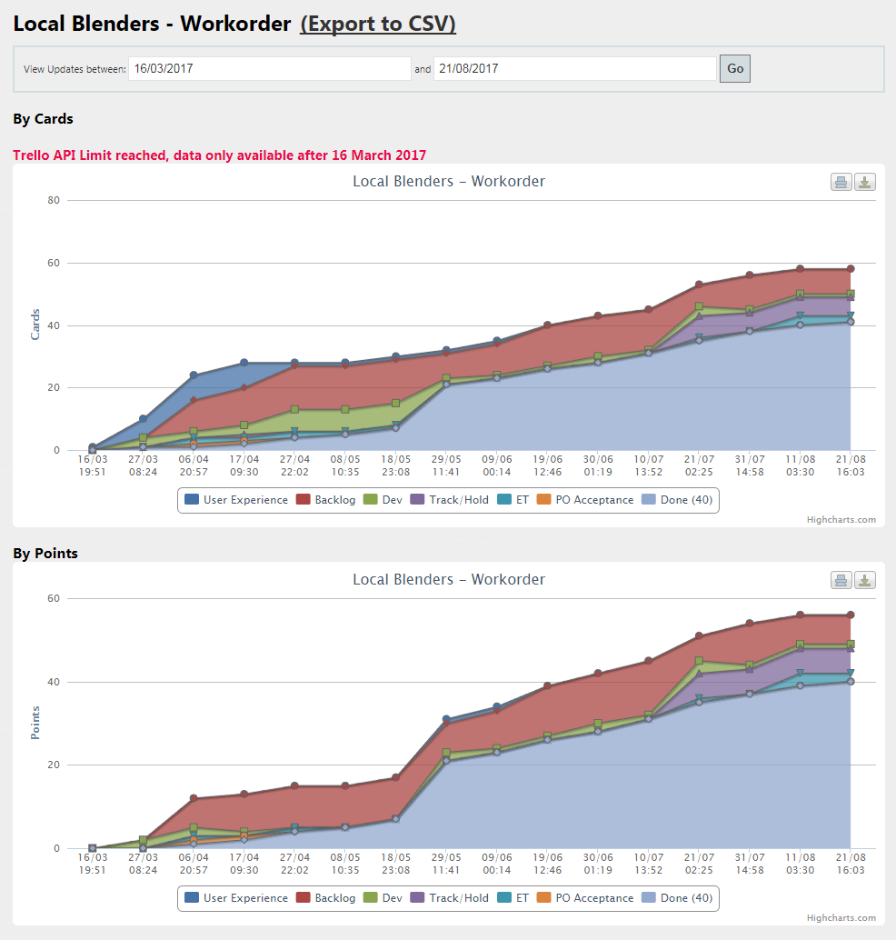
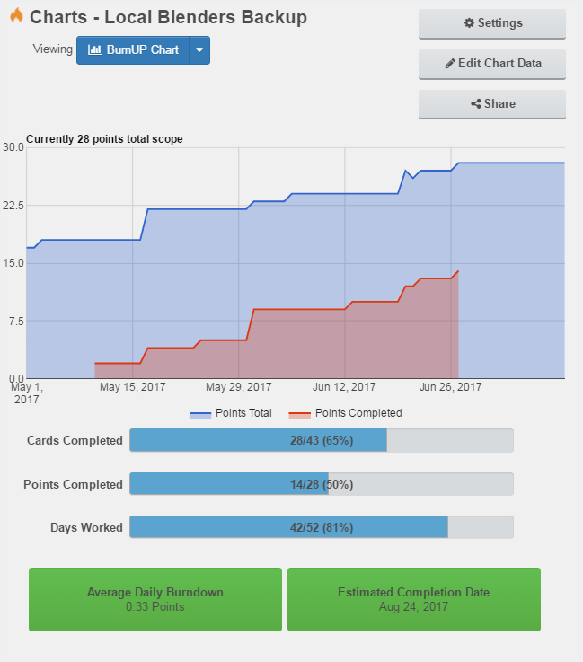
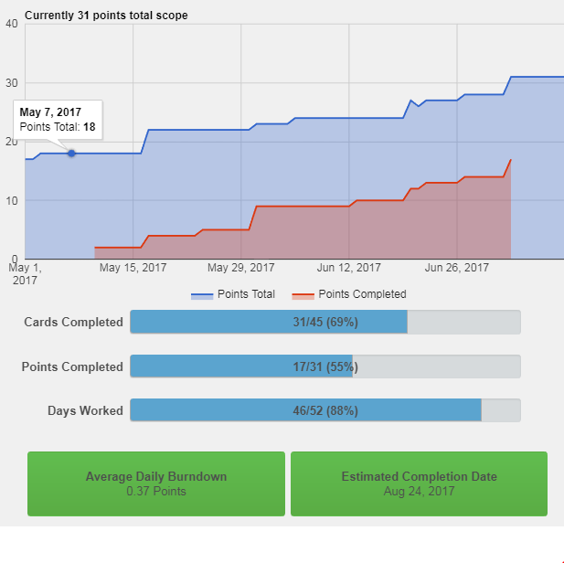

As of 19-July-2017
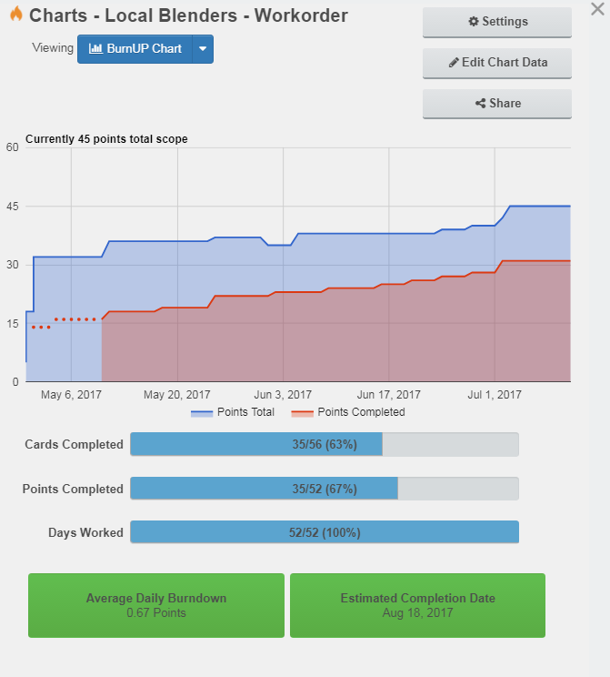
 | As of July 26

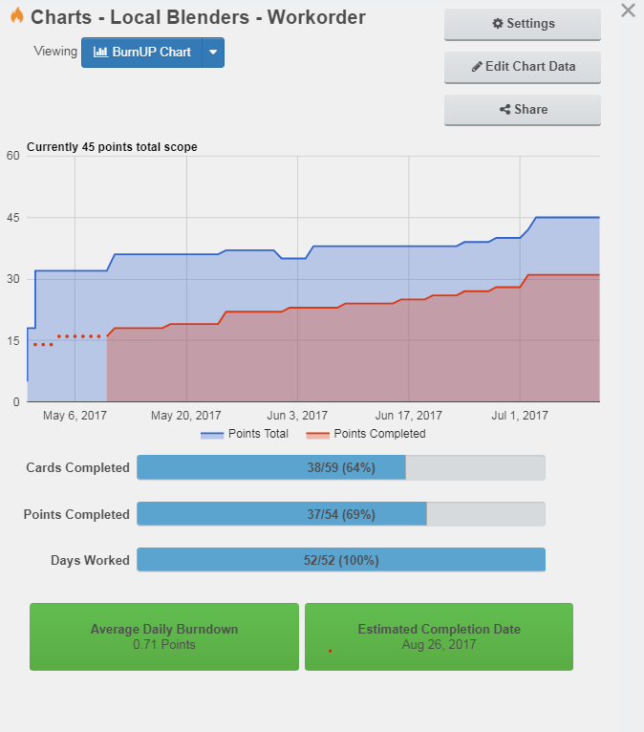

As of Jul 26
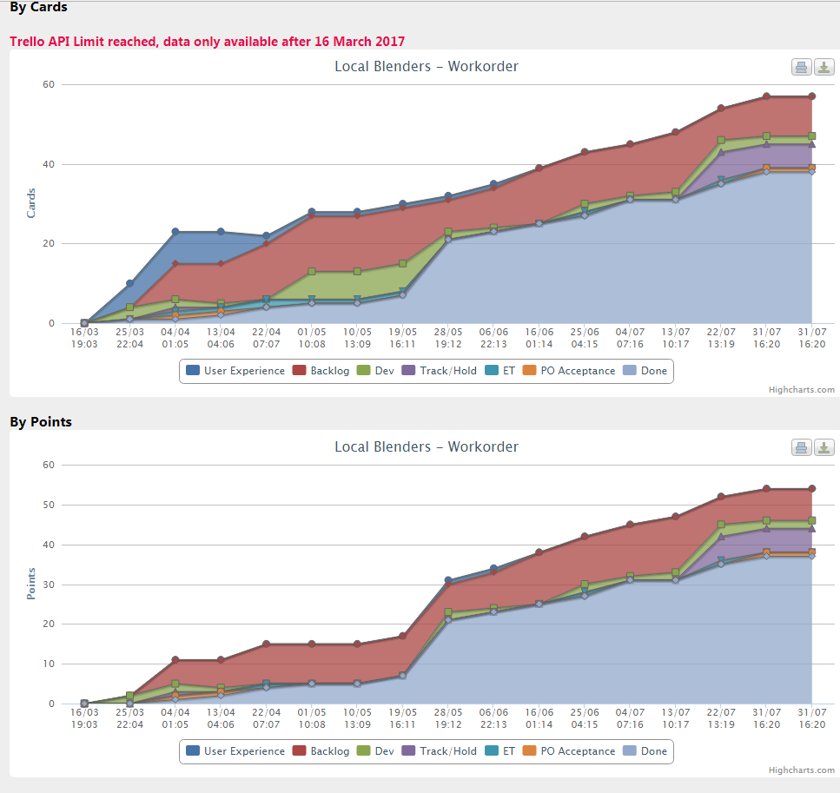

Aug 2 Burn-down non-growth |  | Aug 2 Burn-up non-growth

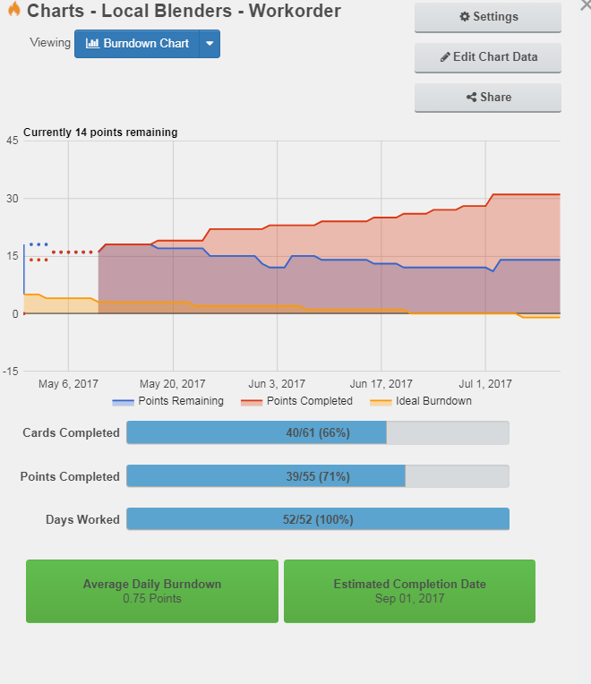


CFD as of Aug 2
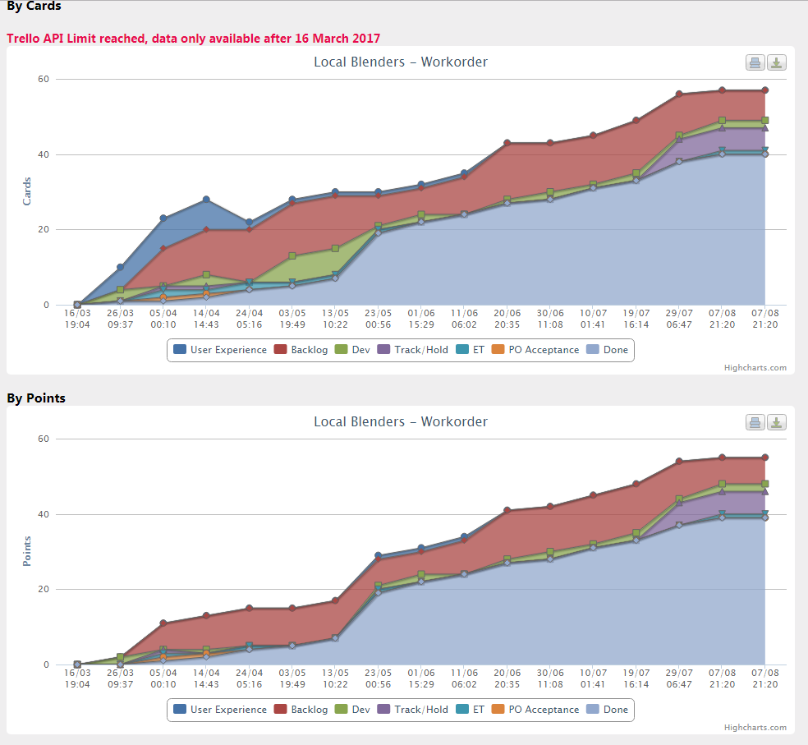

CFD as of Aug 21, 2017

Publish
 | Date | Accumulated Scope | Projected Scope | Accumulated Throuhput | Pessimistic | Target Week Migration Completion | Optimistic | Projected Throughput
43714 | 0 | 0 | 80 | 0 | 0.00 | 0 | 0.00 | 0.00
43721 | 0 | 0 | 80 | 0 | 0.00 | 0 | 0.00 | 0.00
43728 | 0 | 0 | 80 | 0 | 0.00 | 0 | 0.00 | 0.00
43735 | 0 | 0 | 80 | 0 | 0.00 | 0 | 0.00 | 0.00
43742 | 0 | 0 | 80 | 0 | 0.00 | 0 | 0.00 | 0.00
43749 | 0 | 0 | 80 | 0 | 0.00 | 0 | 0.00 | 0.00
43756 | 0 | 0 | 80 | 0 | 0.00 | 0 | 0.00 | 0.00
43763 | 0 | 0 | 80 | 0 | 0.00 | 0 | 0.00 | 0.00
43770 | 0 | 0 | 80 | 0 | 0.00 | 0 | 0.00 | 0.00
43777 | 0 | 0 | 80 | 0 | 0.00 | 0 | 0.00 | 0.00
43784 | 0 | 0 | 80 |  | 0.00 | 0 | 0.00 | 0.00
43791 | 0 | 0 | 80 |  | 0.00 | 0 | 0.00 | 0.00
43798 | 0 | 0 | 80 |  | 0.00 | 0 | 0.00 | 0.00
43805 | 0 | 0 | 80 |  | 0.00 | 0 | 0.00 | 0.00
43812 | 0 | 0 | 80 |  | 0.00 | 0 | 0.00 | 0.00
43819 | 0 | 0 | 80 |  | 0.00 | 0 | 0.00 | 0.00
43826 | 0 | 0 | 80 |  | 0.00 | 0 | 0.00 | 0.00
43833 | 0 | 0 | 80 |  | 0.00 | 0 | 0.00 | 0.00
43840 | 0 | 0 | 80 |  | 0.00 | 0 | 0.00 | 0.00
43847 | 0 | 0 | 80 |  | 0.00 | 0 | 0.00 | 0.00
43854 | 0 | 0 | 80 |  | 0.00 | 0 | 0.00 | 0.00
43861 | 0 | 0 | 80 |  | 0.00 | 0 | 0.00 | 0.00
43868 | 0 | 0 | 80 |  | 0.00 | 0 | 0.00 | 0.00
43875 | 0 | 0 | 80 |  | 0.00 | 0 | 0.00 | 0.00
43882 | 0 | 0 | 80 |  | 0.00 | 0 | 0.00 | 0.00
43889 | 0 | 0 | 80 |  | 0.00 | 0 | 0.00 | 0.00
43896 | 0 | 0 | 80 |  | 0.00 | 0 | 0.00 | 0.00
43903 | 0 | 0 | 80 |  | 0.00 | 0 | 0.00 | 0.00
43910 | 0 | 0 | 80 |  | 0.00 | 0 | 0.00 | 0.00
43917 | 0 | 0 | 80 |  | 0.00 | 0 | 0.00 | 0.00
43924 | 0 | 0 | 80 |  | 0.00 | 0 | 0.00 | 0.00
43931 | 0 | 0 | 80 |  | 0.00 | 0 | 0.00 | 0.00
43938 | 0 | 0 | 80 |  | 0.00 | 0 | 0.00 | 0.00
43945 | 0 | 0 | 80 |  | 0.00 | 0 | 0.00 | 0.00
43952 | 0 | 0 | 80 |  | 0.00 | 0 | 0.00 | 0.00
43959 | 0 | 0 | 80 |  | 0.00 | 0 | 0.00 | 0.00
43966 | 0 | 0 | 80 |  | 0.00 | 0 | 0.00 | 0.00
43973 | 0 | 0 | 80 |  | 0.00 | 0 | 0.00 | 0.00
43980 | 0 | 0 | 80 |  | 0.00 | 0 | 0.00 | 0.00
43987 | 0 | 0 | 80 |  | 0.00 | 0 | 0.00 | 0.00
43994 | 0 | 0 | 80 |  | 0.00 | 0 | 0.00 | 0.00
44001 | 0 | 0 | 80 |  | 0.00 | 0 | 0.00 | 0.00
44008 | 0 | 0 | 80 |  | 0.00 | 0 | 0.00 | 0.00
44015 | 0 | 0 | 80 |  | 0.00 | 0 | 0.00 | 0.00
44022 | 0 | 0 | 80 |  | 0.00 | 0 | 0.00 | 0.00
44029 | 0 | 0 | 80 |  | 0.00 | 0 | 0.00 | 0.00
44036 | 0 | 0 | 80 |  | 0.00 | 0 | 0.00 | 0.00
44043 | 0 | 0 | 80 |  | 0.00 | 0 | 0.00 | 0.00
44050 | 0 | 0 | 80 |  | 0.00 | 0 | 0.00 | 0.00
44057 | 0 | 0 | 80 |  | 0.00 | 0 | 0.00 | 0.00
...

